Details
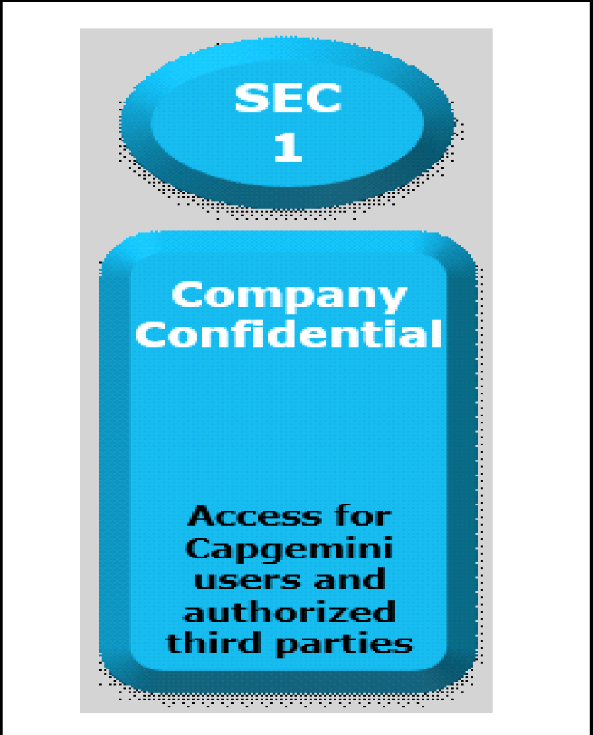

Documents Control Section

Project Details
Project Name | Port Scanner using netstat commands |  | Project Id | 19-12-2022_LINUX17NOVB1_SPRINT-2_F
Project Revision History

Date | Version | Author | Brief Description of Changes |  | Approver Signature
16-01-2023 | Version 0.1 | 19-12-2022_LINUX17NOVB1_SPRINT-2_F | Initial phase of testing
17-01-2023 | Version 0.2 | 19-12-2022_LINUX17NOVB1_SPRINT-2_F | Test case result updated

 |  |  |  |  |  | Using eSkills Matrix Tool for Skill Tracking
 |  |  |  |  |  | Not using eSkills Matrix Tool for Skill Tracking

